E54_hpwh
E
F
Nestle Cagayan de Oro Factory | New Water Heater Start-up Checklist |  |  |  |  |  |  |  | CDOF-CP-F-XX-XXX
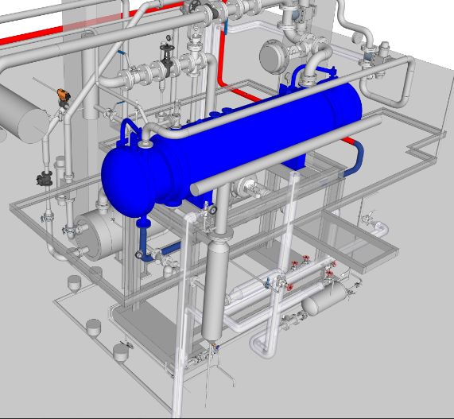

D

G

C

2
B
A

1

E54 Hp water heater (put check if done in space provided)
Requirement | 1 | 2 | A | B | C | D | E | F | G | REMARKS
1. Base platform column alignment (vert/hor. Alignment using level bar)
2. Piping alignment (vert/hor. Alignment using level bar)
3. Replace New Gasket (Water in/out, steam in/out, Heads)
4. Tighten Bolt&Nut evenly in accordance to Stnd Tightening of Flanges
4.1 Flange alignment
5. Check reducers, elbow piping alignment & pipe support (tack welding)
5.1 Check pressure guage & air vent installation
5.2 Checking of instruments installation, (pneu.hand valves, relief valves, etc., check pos. of flow, check all joints for welding
6. No approval from project team, No fullwelding (as per const. drawing)
7. Perform hydrotest (15bars @30mins)
8. Removal of blinds after hydrotest - Take pictures @blind removal
9. Check for for missing bolts
10. Check for the bolts height
11. Check for welding joint prior to primer and painting
12. Check for all gasket installation if with gasket and it's alignment
13. Check for the level and alignment of the heater
14. Check for the piping connections if correct tapping points
15. Check pipe clamp if within standard
16. Check for bolts, pipe and flanges if accordin g to agreed specification
17. Check on the mounting if the other side is sliding mounting ( end side not in the inlet and outlet water line )

NOTES: *Restricted Pipes Must be Cleaned with High Pressure Washer
Performed By: |  |  | Assessed and Validated By: |  |  |  |  | Noted By:

FEDCON Representative |  |  | TBMC Site Engineer |  |  |  |  | NPI Project Engineer

